View
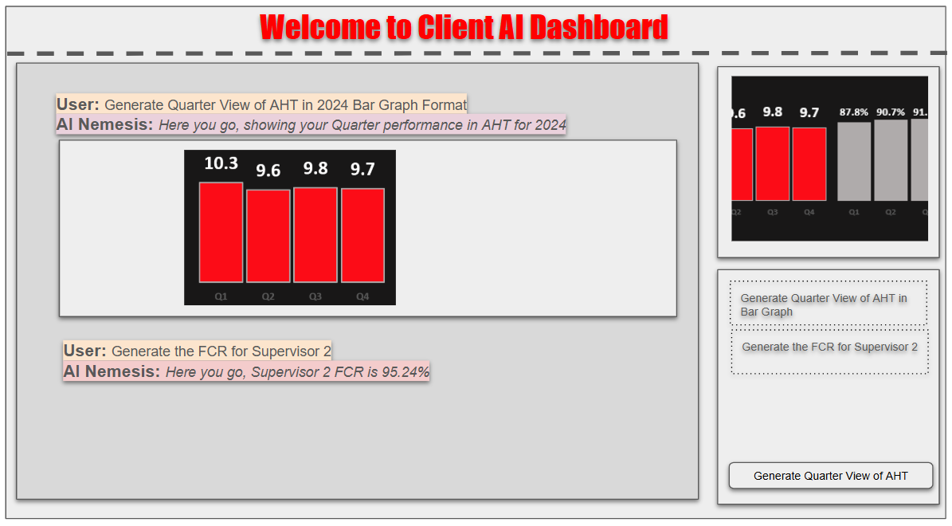
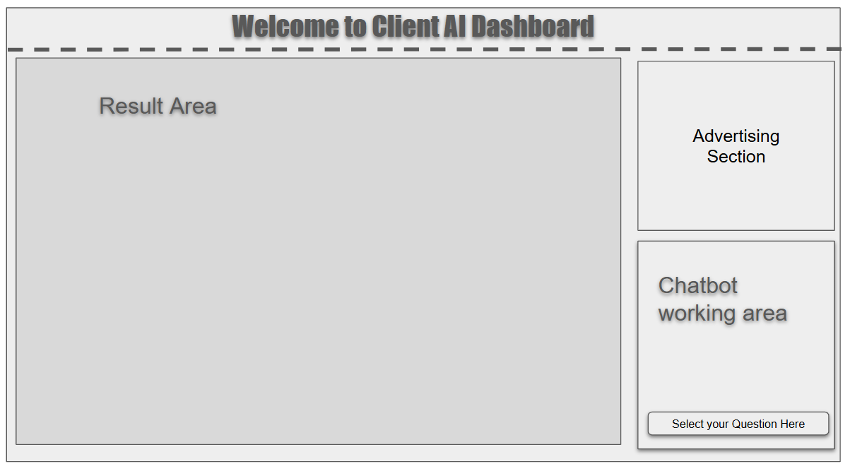
Area | remarks
Result Area | to show the answer to the question
Advertising Section | future add ons to show a slidehow like graphs
chatbot working area | to show historical chatbot request
select your question here | normally dropdown or list type upon click

